Visualization 1
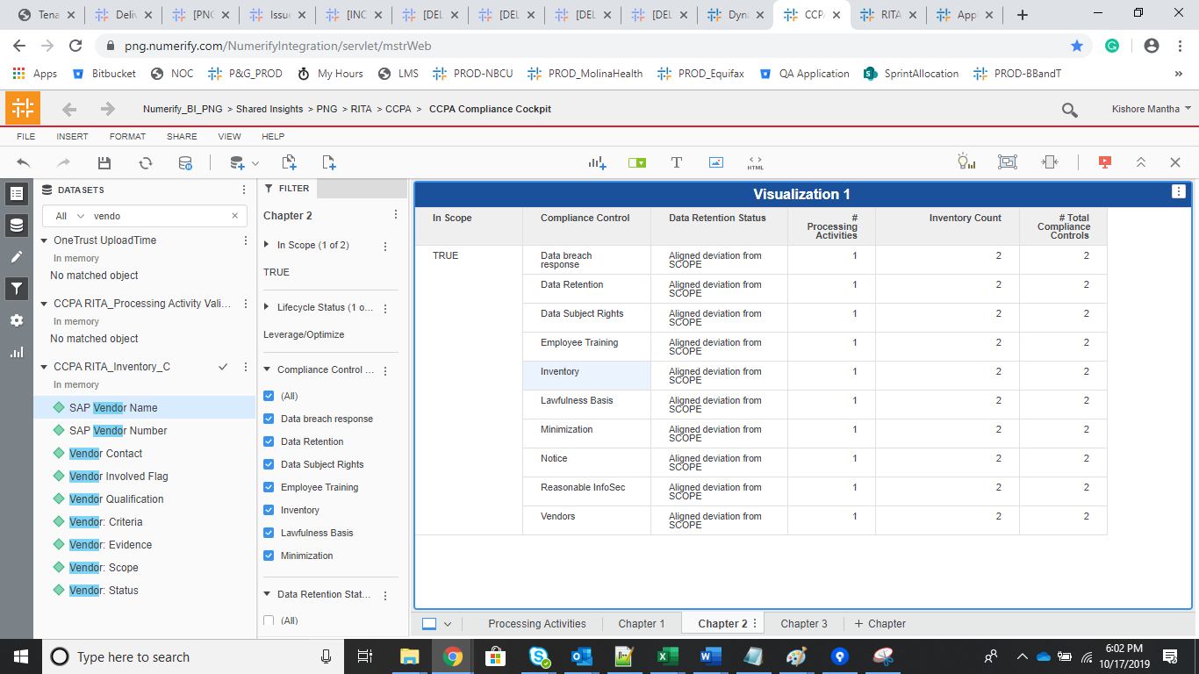
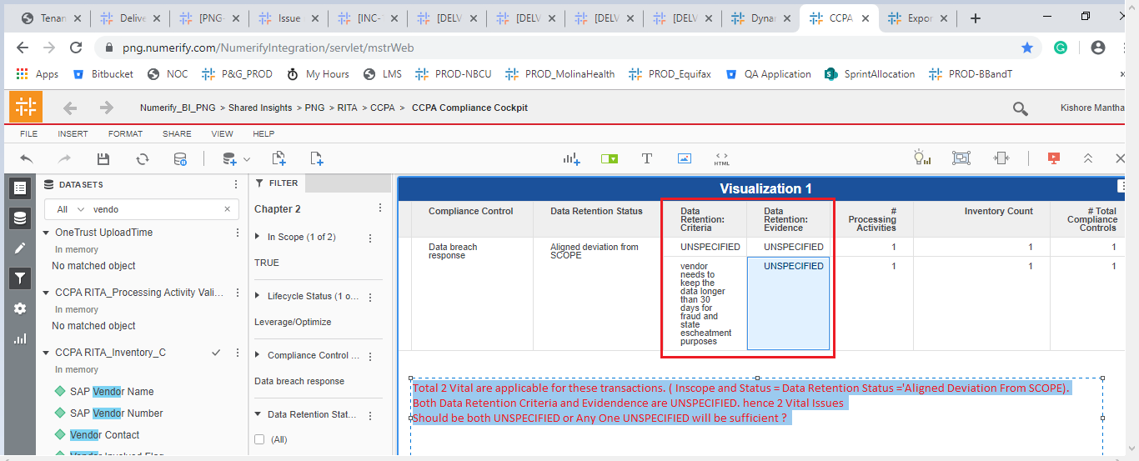
• VITAL: For all compliance controls in scope, when status = “Aligned deviation from SCOPE”, fields Criteria and Evidence of the same compliance controls MUST be populated (i.e. string length >0). |  |  |  |  |  | Max of Vitals will be 20

In Scope | Compliance Control | Data Retention Status | # Processing Activities | Inventory Count | # Total Compliance Controls |  | Vital issues | Percentage
TRUE | Data breach response | Aligned deviation from SCOPE | 1 | 2 | 2 | 20 | 2 | 100
 |  | In line with SCOPE | 1 | 324 | 324
 |  | In Progress | 1 | 288 | 288
 |  | Not Started | 1 | 636 | 636
 | Data Retention | Aligned deviation from SCOPE | 1 | 2 | 2 |  | 2
 |  | In line with SCOPE | 1 | 309 | 309
 |  | In Progress | 1 | 279 | 279
 |  | Not Started | 1 | 260 | 260
 | Data Subject Rights | Aligned deviation from SCOPE | 1 | 2 | 2 |  | 2
 |  | In line with SCOPE | 1 | 309 | 309
 |  | In Progress | 1 | 279 | 279
 |  | Not Started | 1 | 260 | 260
 | Employee Training | Aligned deviation from SCOPE | 1 | 2 | 2 |  | 2
 |  | In line with SCOPE | 1 | 324 | 324
 |  | In Progress | 1 | 288 | 288
 |  | Not Started | 1 | 636 | 636
 | Inventory | Aligned deviation from SCOPE | 1 | 2 | 2 |  | 2
 |  | In line with SCOPE | 1 | 324 | 324
 |  | In Progress | 1 | 288 | 288
 |  | Not Started | 1 | 636 | 636
 | Lawfulness Basis | Aligned deviation from SCOPE | 1 | 2 | 2 |  | 2
 |  | In line with SCOPE | 1 | 324 | 324
 |  | In Progress | 1 | 288 | 288
 |  | Not Started | 1 | 636 | 636
 | Minimization | Aligned deviation from SCOPE | 1 | 2 | 2 |  | 2
 |  | In line with SCOPE | 1 | 309 | 309
 |  | In Progress | 1 | 279 | 279
 |  | Not Started | 1 | 260 | 260
 | Notice | Aligned deviation from SCOPE | 1 | 2 | 2 |  | 2
 |  | In line with SCOPE | 1 | 309 | 309
 |  | In Progress | 1 | 279 | 279
 |  | Not Started | 1 | 260 | 260
 | Reasonable InfoSec | Aligned deviation from SCOPE | 1 | 2 | 2 |  | 2
 |  | In line with SCOPE | 1 | 309 | 309
 |  | In Progress | 1 | 279 | 279
 |  | Not Started | 1 | 260 | 260
 | Vendors | Aligned deviation from SCOPE | 1 | 2 | 2 |  | 2
 |  | In line with SCOPE | 1 | 257 | 257
 |  | In Progress | 1 | 269 | 269
 |  | Not Started | 1 | 542 | 542

Total 2 Vital are applicable for these transactions. ( Inscope and Status = Data Retention Status ='Aligned Deviation From SCOPE). Both Data Retention Criteria and Evidendence are UNSPECIFIED. hence 2 Vital Issues Should be both UNSPECIFIED or Any One UNSPECIFIED will be sufficient ?

